Sheet1
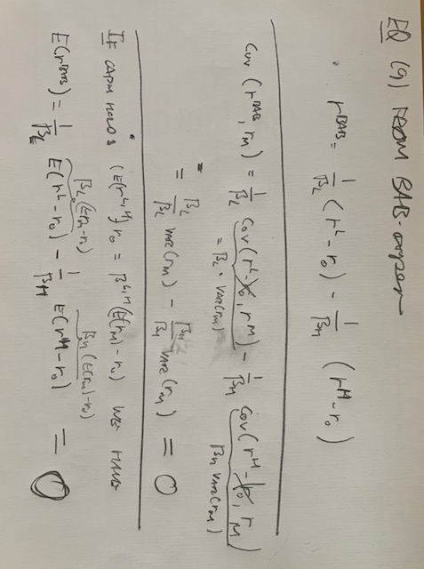
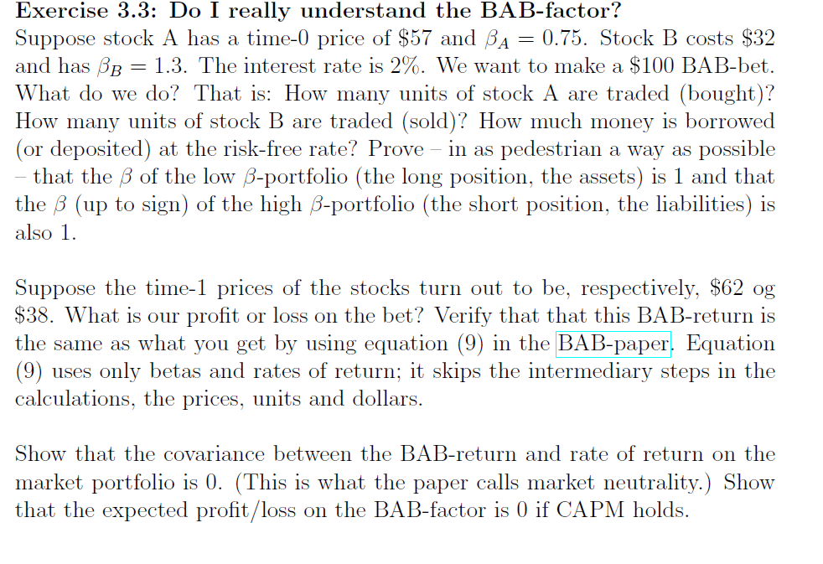
BAB-bet size | 100 | Interest rate | 0.02
price_A(0) | 57 | price_A(1) | 62 | rate of return_A |  | 0.087719298246
beta_A | 0.75
price_B(0) | 32 | price_B(1) | 38 | rate of return_B |  | 0.1875
beta_B | 1.3

Low-beta-leg (leveraged investment i stock A)
To get a beta of 1 we must invest $ |  |  | 133.33333333 | in stock A | (Bab-bet size)/(beta_A)
That means buying |  | 2.3391812865 | units of stock A |  | (investment size in stock A)/(price_A(0))
and having a bank position of $ |  | -33.333333333 | (<0, so we borrow money)

High-beta-leg (short in de-leveraged position in B)
To get a beta of -1 we must invest $ |  |  | -76.923076923 | in stock B | (Bab-bet size)/(beta_B)
This means trading | -2.4038461538 | units of stock B ( < 0, se we're selling) |  |  | (investment size in stock B)/(price_B(0))
To get the funding needed to buy the low-beta part, we need |  |  |  |  | -23.076923077 | in the bank (ie. borrow)

Value of portfolio at time 1 = r^BAB
Stock A | 145.03 | (price_A(0)*units of stock A)
Stock B | -91.35 | (price_B(0)*units of stock B)
Bank | -57.54 | (sum of bank position in both portfolios)*(1+interest rate)
In total | -3.8554 | -- ie. a loss of 3 dollars and 86 cents

Eqn. (9) in the paper gives us
r^BAB | -0.038554 | which matches perfectly with our calculation above, because eqn. (9) is the return (or profit/loss) on a $1 bet
 |  | (Note that in the tables in the paper they multiply r^BAB by 100 -- making it the profit/loss of a $100 bet.)

